Results
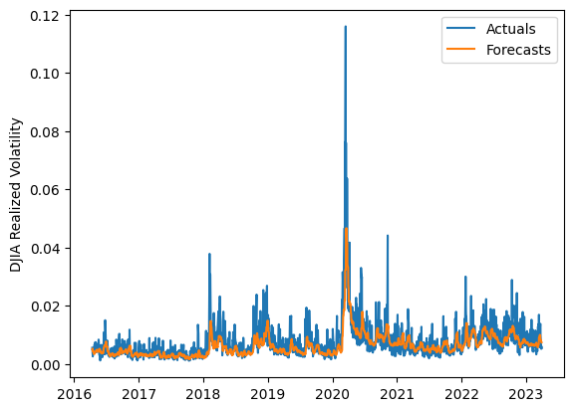
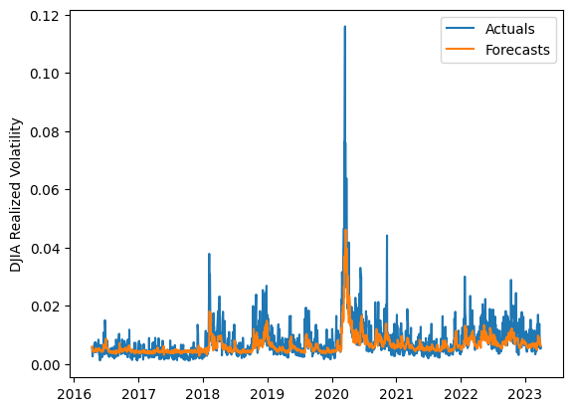
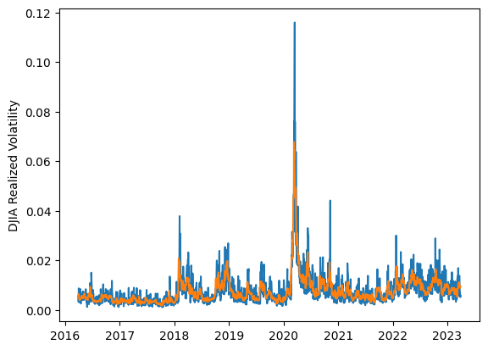
 | LSTM |  |  | TCN |  |  | NBEATSx |  |  |  |  | LSTM |  |  | TCN |  |  | NBEATSx
 | Accuracy | RMSE | Qlike | Accuracy | RMSE | Qlike | Accuracy | RMSE | Qlike |  |  | Accuracy | RMSE | Qlike | Accuracy | RMSE | Qlike | Accuracy | RMSE | Qlike
Trial 1 | 48.46% | 0.313% | 0.151 | 60.04% | 0.268% | 0.110 | 66.19% | 0.242% | 0.084 |  | Mean | 61.22% | 0.277% | 0.111 | 63.23% | 0.270% | 0.103 | 65.79% | 0.243% | 0.084
Trial 2 | 63.07% | 0.270% | 0.101 | 59.48% | 0.272% | 0.113 | 65.82% | 0.245% | 0.085 |  | Standard Deviation | 5.86% | 0.014% | 0.017 | 2.24% | 0.008% | 0.005 | 0.48% | 0.002% | 0.002
Trial 3 | 64.18% | 0.263% | 0.096 | 63.15% | 0.272% | 0.103 | 65.19% | 0.246% | 0.085 |  | 95% CI upper bound | 72.93% | 0.306% | 0.145 | 67.71% | 0.285% | 0.113 | 66.76% | 0.248% | 0.088
Trial 4 | 62.49% | 0.264% | 0.100 | 66.32% | 0.269% | 0.095 | 65.86% | 0.242% | 0.083 |  | 95% CI lower bound | 49.50% | 0.248% | 0.076 | 58.76% | 0.255% | 0.092 | 64.82% | 0.239% | 0.080
Trial 5 | 63.20% | 0.264% | 0.099 | 62.48% | 0.264% | 0.102 | 65.15% | 0.246% | 0.084 |  | 99.7% CI upper bound | 78.78% | 0.321% | 0.163 | 69.94% | 0.293% | 0.118 | 67.24% | 0.250% | 0.090
Trial 6 | 67.20% | 0.275% | 0.100 | 65.72% | 0.291% | 0.103 | 65.86% | 0.244% | 0.084 |  | 99.7% CI lower bound | 43.65% | 0.234% | 0.059 | 56.52% | 0.247% | 0.087 | 64.33% | 0.237% | 0.078
Trial 7 | 64.95% | 0.273% | 0.100 | 65.70% | 0.283% | 0.102 | 65.79% | 0.245% | 0.086
Trial 8 | 67.13% | 0.276% | 0.099 | 66.32% | 0.269% | 0.095 | 66.88% | 0.242% | 0.087
Trial 9 | 56.15% | 0.283% | 0.122 | 60.01% | 0.268% | 0.111 | 65.20% | 0.244% | 0.084
Trial 10 | 57.41% | 0.274% | 0.116 | 64.46% | 0.263% | 0.097 | 66.33% | 0.240% | 0.084
Trial 11 | 64.22% | 0.266% | 0.096 | 62.00% | 0.262% | 0.102 | 66.07% | 0.241% | 0.081
Trial 12 | 52.71% | 0.287% | 0.135 | 62.97% | 0.264% | 0.100 | 65.99% | 0.247% | 0.087
Trial 13 | 54.67% | 0.280% | 0.128 | 63.02% | 0.267% | 0.102 | 65.40% | 0.242% | 0.082
Trial 14 | 65.57% | 0.304% | 0.123 | 63.06% | 0.269% | 0.101 | 65.30% | 0.245% | 0.086
Trial 15 | 66.80% | 0.271% | 0.096 | 63.77% | 0.269% | 0.103 | 65.75% | 0.240% | 0.081

 | LSTM (best trial) |  |  |  |  |  |  |  |  | TCN (best trial) |  |  |  |  |  |  |  |  | NBEATSx (best trial)

